Sheet1
Count | 301
 | Categorical Data | Categorical Data |  |  |  | Numerical Data
 | Car_Name | Fuel_Type | Seller_Type | Transmission | Owner | Year |  |  | Selling_Price | Present_Price | Kms_Driven
Unique | 98 | 3 | 2 | 2 | 4 | 16 |  | mean | 4.661296 | 7.628472 | 36947.20598
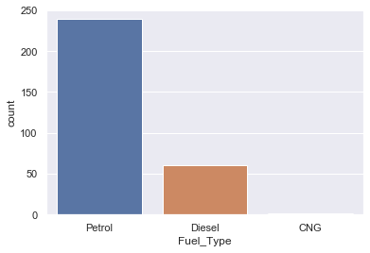
 |  |  |  |  |  |  |  | std | 5.082812 | 8.644115 | 38886.883882
 |  |  |  |  |  |  |  | min | 0.1 | 0.32 | 500
 |  |  |  |  |  |  |  | 25%le | 0.9 | 1.2 | 15000
 |  |  |  |  |  |  |  | median | 3.6 | 6.4 | 32000
 |  |  |  |  |  |  |  | 75%le | 6 | 9.9 | 48767
 |  |  |  |  |  |  |  | max | 35 | 92.6 | 500000

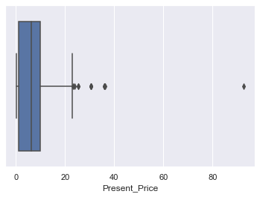
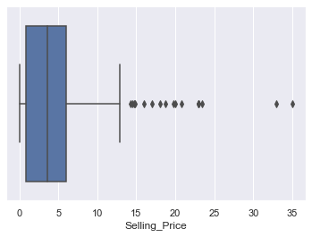
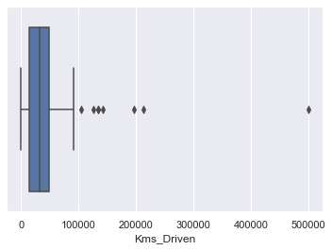

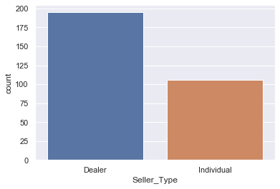

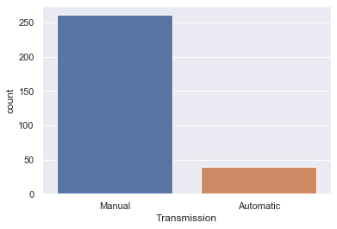

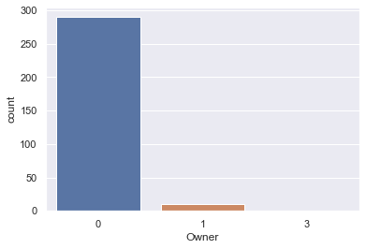

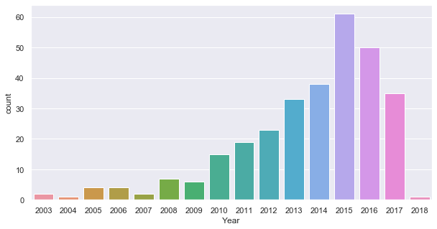

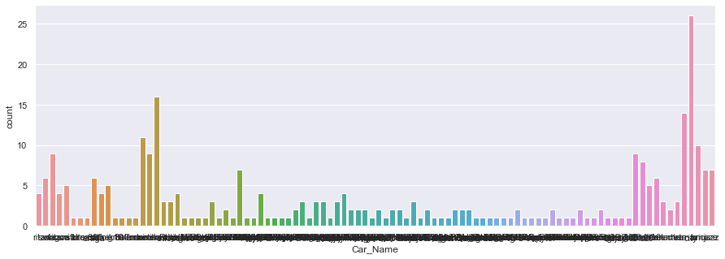

 | Relationship
 |  |  | Transmission | Seller_Type | Fuel_type | Year | Owner | Kms Driven | Present_Price
 |  | Selling_Price | Categorical | Categorical | Categorical | Linear(Decreasing) | Categorical | - | Linear
 | Regression |  |  |  |  | Polynomial Regression |  |  | Polynomial Regression

 | One Hot Encoding

 | Dependent Variable: |  | Selling_price | y
 | Independent Variable:

 | Transmission |  |  | Seller_Type |  |  | Fuel Type |  |  | Year | Owner |  |  | Kms_Driven | Present_Price
 |  | Manual | Automatic |  | Dealer | Individual | Petrol | Diesel | CNG |  | 0 | 1 | 3
 |  | 0,1 | 1,0 |  | 1,0 | 0,1 | 0,0,1 | 0,1,0 | 1,0,0

 | Multiple Regression

Adjusted R2 | Accuracy | 0.899

 | Results
 | Removing Kms_driven actually increases R2 adjusted accuracy from 0.88 to 0.89 for adjusted R2 score
 | Year vs Selling Price give a very Bad prediction, a very low R2 score
 | Present Price Alone can give nearly 80 percent accuracy with Polynomial Regression
 | Final Result is for multiple Linear Regression with Adjusted R2 score as 0.899 for Fuel, Transmission, Dealer,Year and Present Price
 | Multiple Linear Regression with Adjusted R2 score as 0.82 for Fuel, Transmission, Dealer, Present Price without Year
 | Adjusted R2 score for Present Price vs Selling Price gives 65 percent accuracy for Random Forest and Decission Tree, however it gives 79 percent for Polynomial Regression

